Data
Image URL | Image URL 2 | Brand | Manufacturer exact name | Manufacturer article number | Type | Size | Total quantity | Retail price | TOTAL
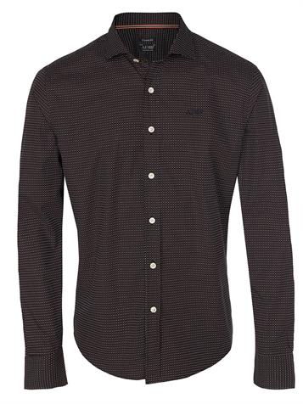 | 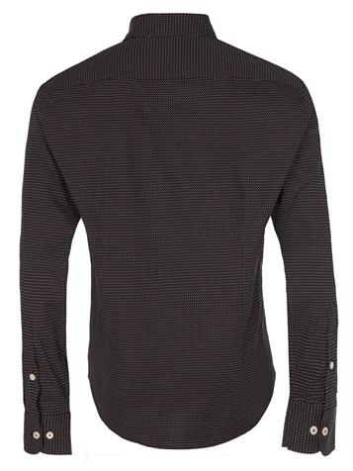 | Armani Jeans | B6C97 | B6C97 | Shirt | 3xM | 3 | 155.00 € | 465.00 €
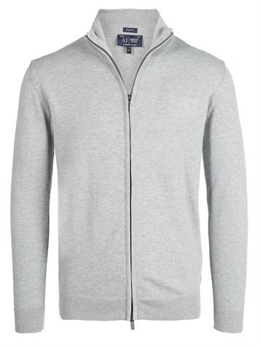 | 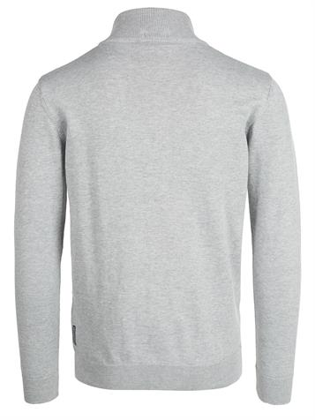 | Armani Jeans | CARDIGAN | 06W90 KA 5A | Jacket | 3xS, 1xM, 10xL, 4xXL | 18 | 200.00 € | 3,600.00 €
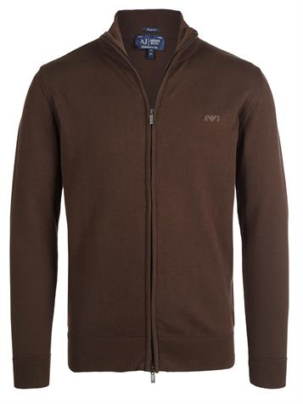 | 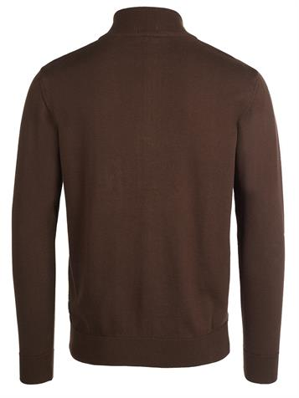 | Armani Jeans | CARDIGAN | 06W90 KA 5A | Jacket | 20xM, 10xL, 9xXL, 2xXXL | 41 | 200.00 € | 8,200.00 €
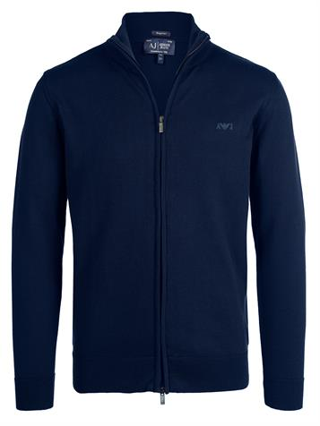 | 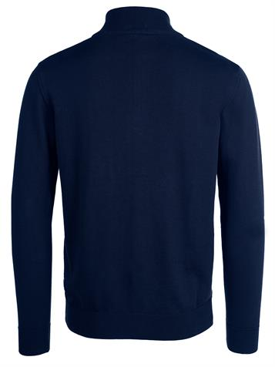 | Armani Jeans | CARDIGAN | 06W90 KA 5A | Jacket | 1xS | 1 | 200.00 € | 200.00 €
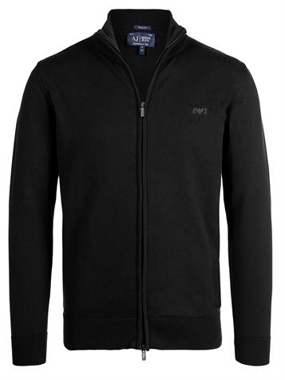 | 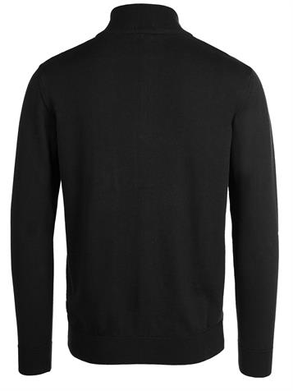 | Armani Jeans | CARDIGAN | 06W90 KA 5A | Jacket | 1xS, 16xM, 1xXXL | 18 | 200.00 € | 3,600.00 €
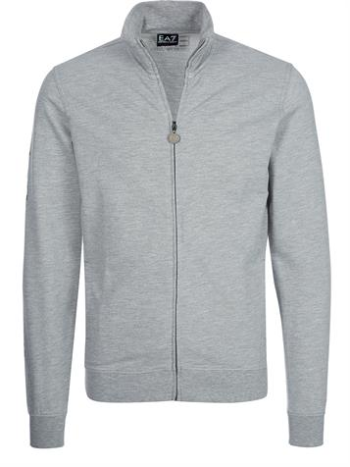 | 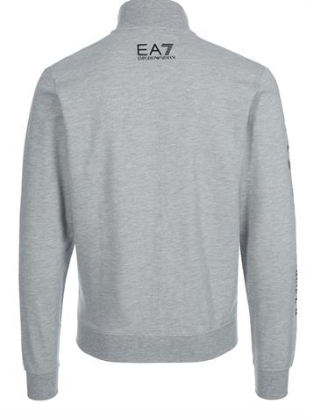 | EA7 Emporio Armani | TRAIN GRAPHIC M T-TOP SWEATSHIRT | 274417 6P280 | Jacket | 2xXL | 2 | 200.00 € | 400.00 €
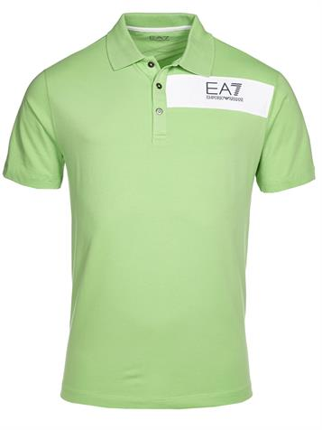 | 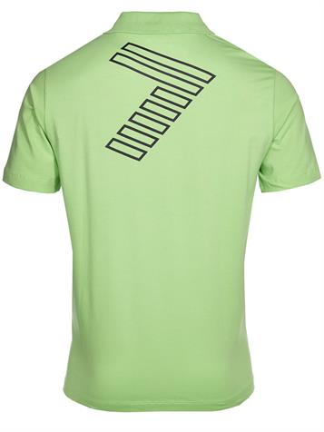 | EA7 Emporio Armani | 273736 5P283 | 273736 5P283 | Poloshirt | 3xS, 4xM, 7xL, 2xXL | 16 | 140.00 € | 2,240.00 €
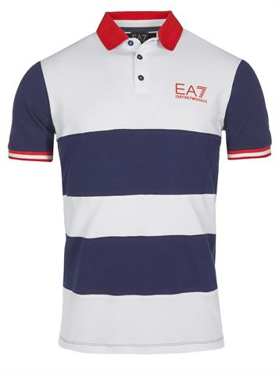 | 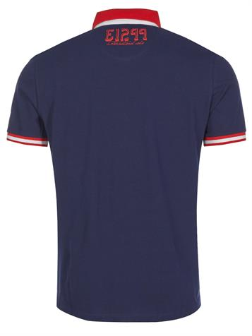 | EA7 Emporio Armani | SEA WORLD PORTOFINO MPOLO | 273938 6P601 | Poloshirt | 1xS | 1 | 140.00 € | 140.00 €
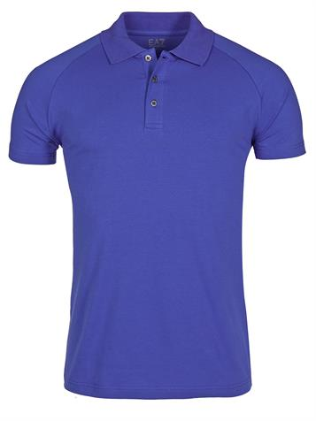 | 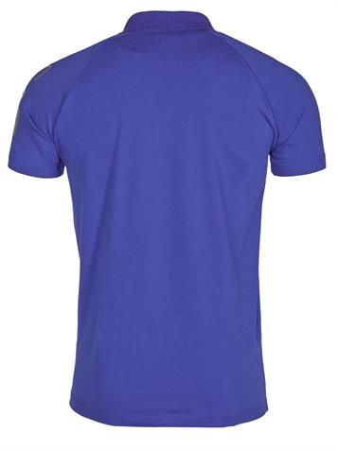 | EA7 Emporio Armani | TRAIN VISIBILITY | 277010 6P209 | Poloshirt | 1xM | 1 | 120.00 € | 120.00 €
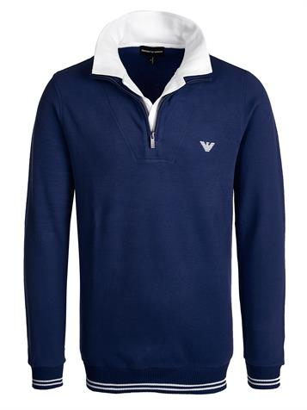 | 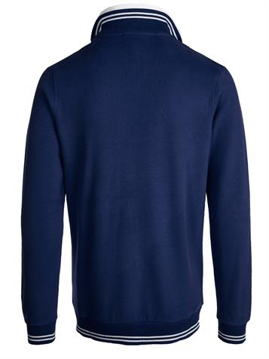 | Emporio Armani |  | J1M32J J1X7 | Pullover | 17xS, 40xM, 13xL | 70 | 160.00 € | 11,200.00 €
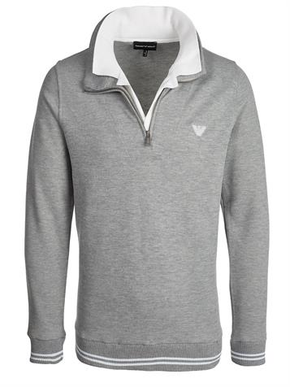 | 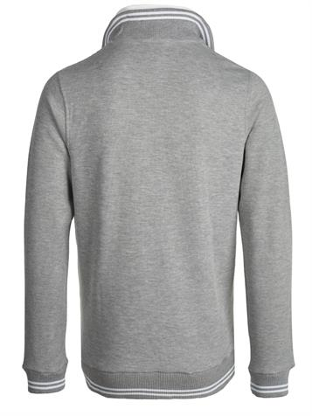 | Emporio Armani |  | J1M32J J1X7 | Pullover | 6xS, 23xM, 22xL, 8xXL, 1xXXL | 60 | 160.00 € | 9,600.00 €
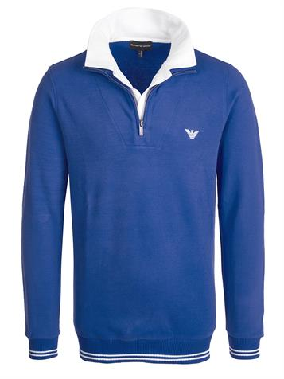 | 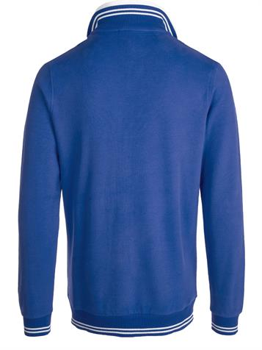 | Emporio Armani |  | J1M32J J1X7 | Pullover | 8xS, 46xM, 5xL, 14xXL, 6xXXL | 79 | 160.00 € | 12,640.00 €
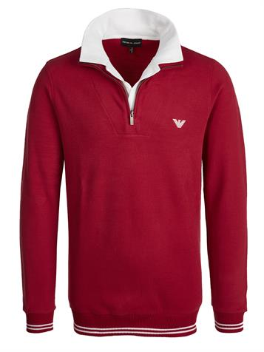 | 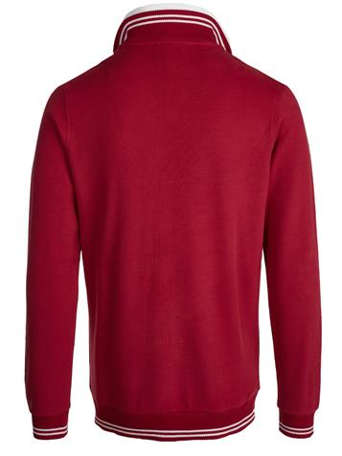 | Emporio Armani |  | J1M32J J1X7 | Pullover | 11xS, 43xM, 35xL, 22xXL, 8xXXL | 119 | 160.00 € | 19,040.00 €
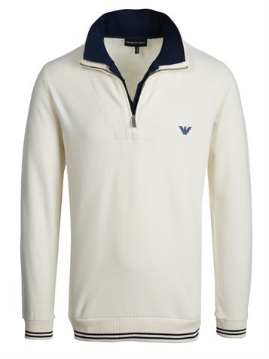 | 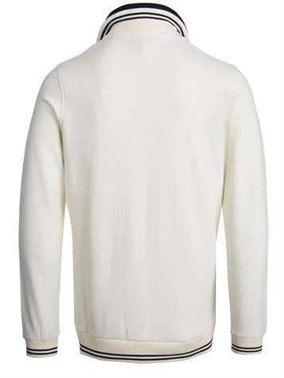 | Emporio Armani |  | J1M32J J1X7 | Pullover | 6xS, 17xM, 15xL, 7xXL, 5xXXL | 50 | 160.00 € | 8,000.00 €
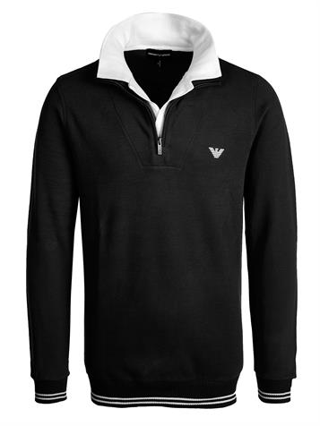 | 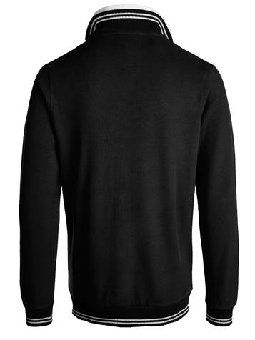 | Emporio Armani |  | J1M32J J1X7 | Pullover | 12xS, 28xM, 44xL, 23xXL | 107 | 160.00 € | 17,120.00 €
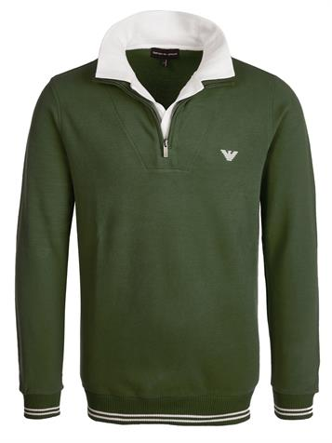 | 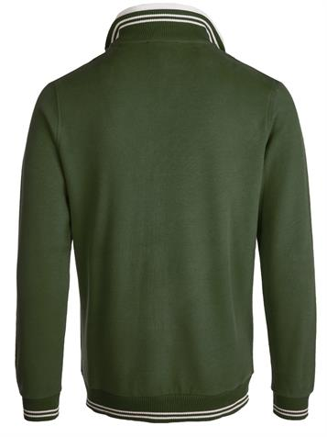 | Emporio Armani |  | J1M32J J1X7 | Pullover | 8xS, 22xM, 16xL, 23xXL, 5xXXL | 74 | 160.00 € | 11,840.00 €
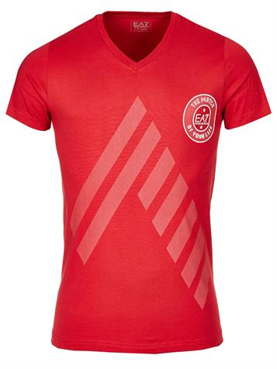 | 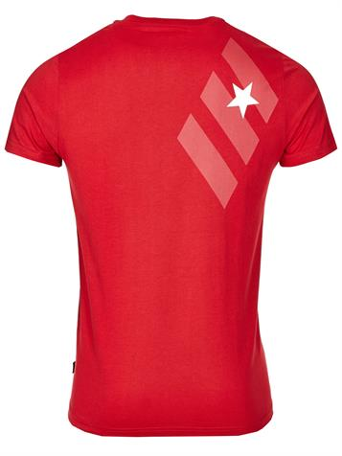 | Emporio Armani | 273205 3P238 | 273205 3P238 | T-shirt | 13xL, 49xXL | 62 | 85.00 € | 5,270.00 €
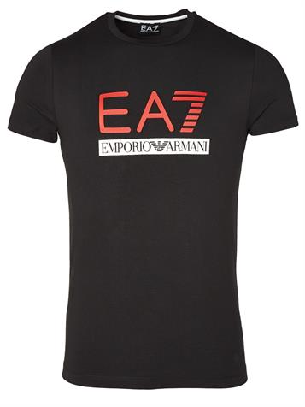 | 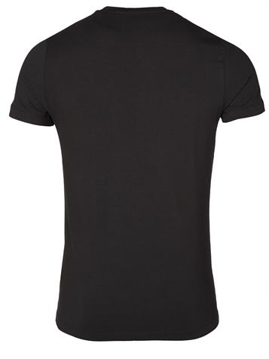 | EA7 Emporio Armani |  | 283422 3P206 | T-shirt | 1xXL | 1 | 70.00 € | 70.00 €
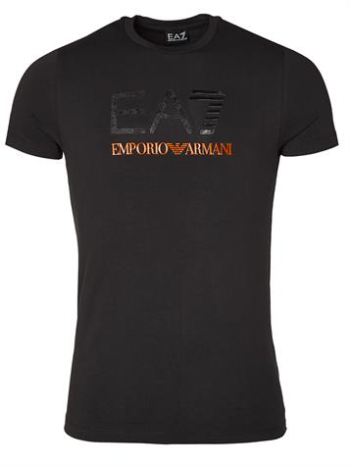 | 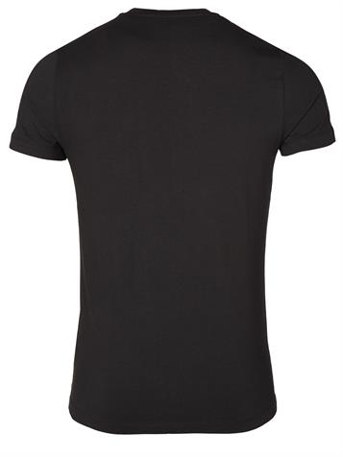 | EA7 Emporio Armani | 283168 3P206 | 283168 3P206 | T-shirt | 1xL | 1 | 70.00 € | 70.00 €
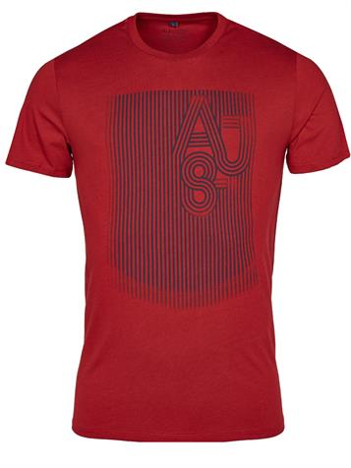 | 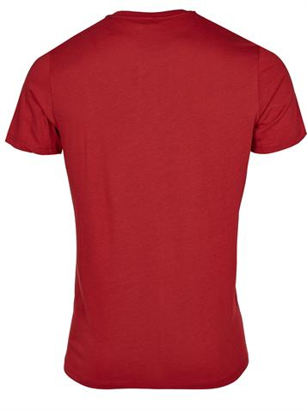 | Armani Jeans | C6H70 | C6H70 | T-shirt | 3xS | 3 | 70.00 € | 210.00 €
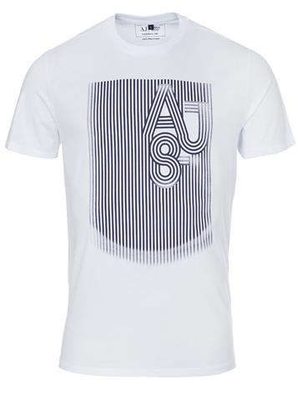 | 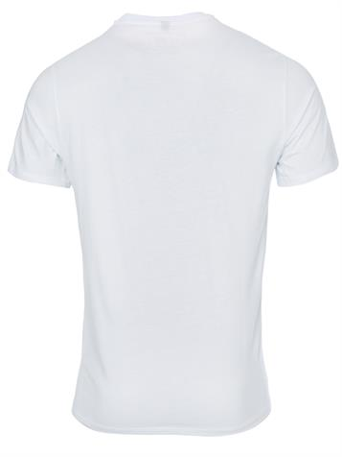 | Armani Jeans | C6H70 | C6H70 | T-shirt | 1xM | 1 | 70.00 € | 70.00 €
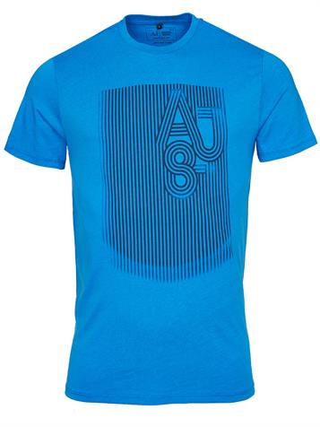 | 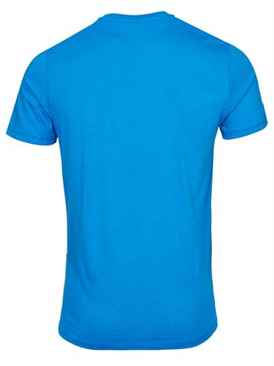 | Armani Jeans | C6H70 | C6H70 | T-shirt | 12xS, 5xL, 3xXXL | 20 | 70.00 € | 1,400.00 €
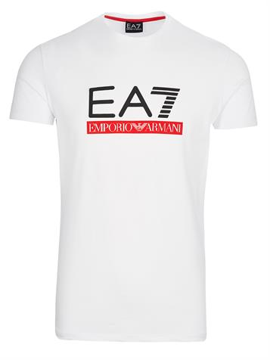 | 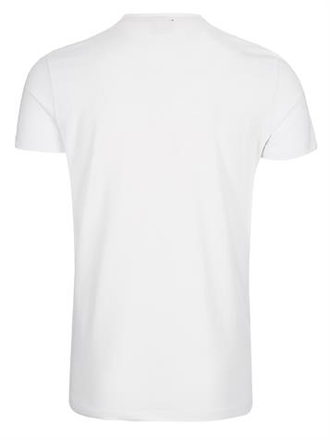 | EA7 Emporio Armani | 248177 3P206 | 248177 3P206 | T-shirt | 1xL | 1 | 70.00 € | 70.00 €
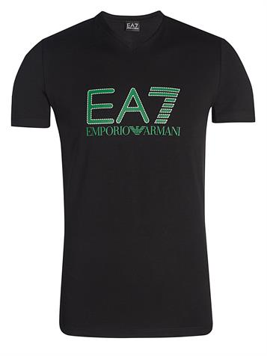 | 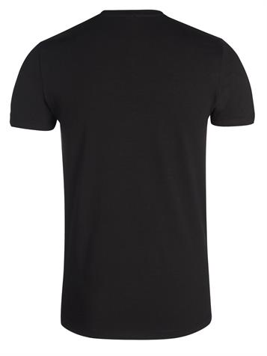 | EA7 Emporio Armani | 273623 3P206 | 273623 3P206 | T-shirt | 3xM | 3 | 70.00 € | 210.00 €
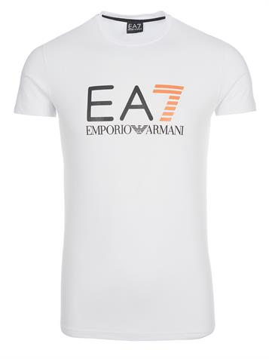 | 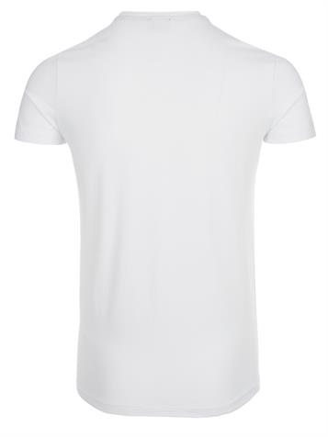 | EA7 Emporio Armani | 282482 3P205 | 282482 3P205 | T-shirt | 1xXL | 1 | 70.00 € | 70.00 €
 |  |  |  |  |  |  | 753 |  | 115,845.00 €

